Gini Index
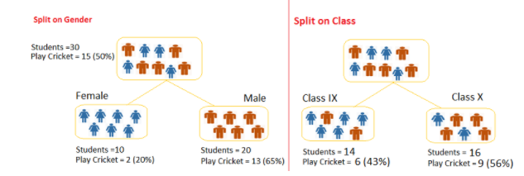

Gini Index
Split on Gender: | Play Cricket | Not play cricket | Gini | Quantidade | Representatividade
Gini for subnode female: | 0.20 | 0.80 | 0.68 | 10.00 | 0.33
Gini for Subnode male: | 0.65 | 0.35 | 0.55 | 20.00 | 0.67
Calculate weighted Gini for Split Gender: |  |  | 0.59

Split on class: | Play Cricket | Not play cricket | Gini | Quantidade | Representatividade
Gini for subnode Class IX: | 0.43 | 0.57 | 0.51 | 14.00 | 0.47
Gini for subnode Class X: | 0.56 | 0.44 | 0.51 | 16.00 | 0.53
Calculate weighted Gini for Split Class: |  |  | 0.51

Above, you can see that Gini score for Split on Gender is higher than Split on Class, hence, the node split will take place on Gender.

